Detail
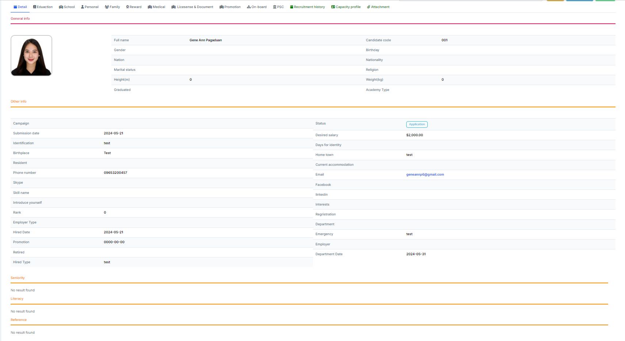
General Info
Full Name
Gender
Nation
Marital Status
Height (m)
Graduated
Candidate code
Birthday
Nationality
Religion
Weight (kg)
Academy Type

Other Info
Campagin
Submission date
Identification
Birthplace
Resident
Phone Number
Skype
Skill name
Introduce yourself
Rank
Employer Type
Hired Date
Promotion
Retired
Hired Type
Status
Desired Salary
Days for Identity
Home Town
Current accomodation
Email
Facebook
Linkedin
Interest
Registration
Department
Emergency
Employer Type
Department Date

Seniority
Literacy
Reference

Education
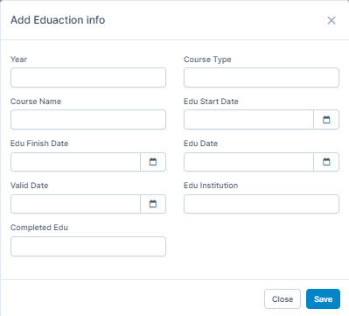
Education
Year
Course Name
Edu Finish Date
Valid Date
Completed Edu
Course Type
Edu Start Date
Edu Date
Edu Institution

School
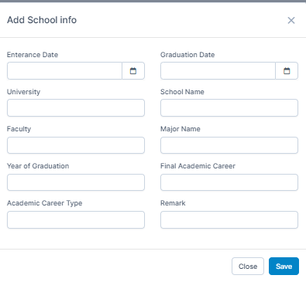
School
Entrance Date
University
Faculty
Year of Graduation
Graduation Date
School Name
Major Name
Final Academic Career
Remark

Personal
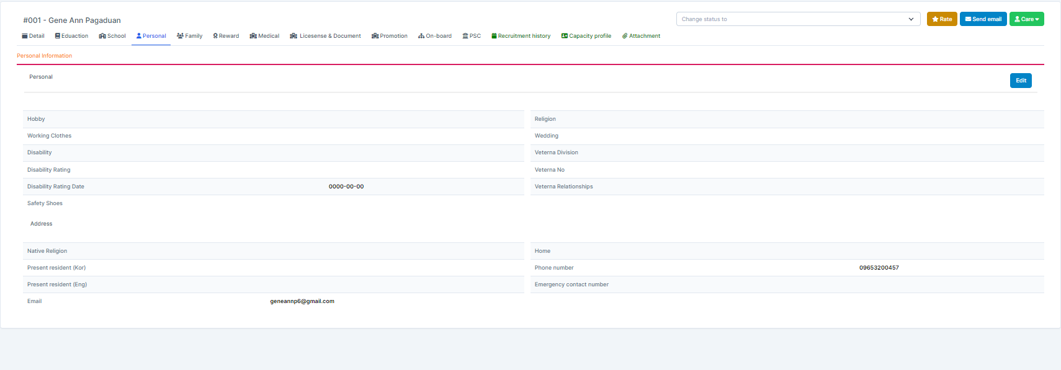
Personal
Hobby
Working clothes
Disability
Disability Rating
Disability Rating Date
Safety Shoes
Address
Native Religion
Present Resident
Present Resident
Email
Religion
Wedding
Veterna Division
Veterna No.
Veterna Relationships
Home
Phone number
Emergency contact number

Family
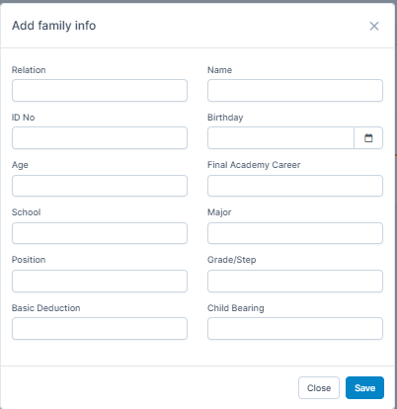
Family
Relation
ID No.
Age
School
Position
Basic Deduction
Name
Birthday
Final Academy Career
Major
Grade/Step
Child Bearing

Reward
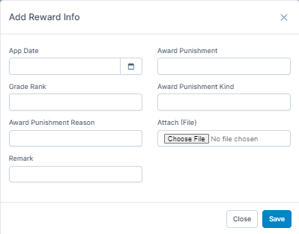
Reward
App Date
Grade Rank
Award Punishment Reason
Remark
Award Punishment
Award Punishment Kind
Arrach File

Medical
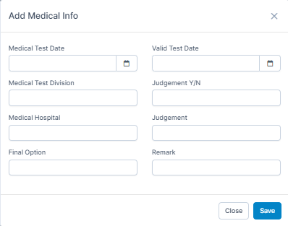
Medical
Medical Test Date
Medical Test Division
Medical Hospital
Final Option
Valid Test Date
Judgement Y/N
Judgement
Remark

License and Document
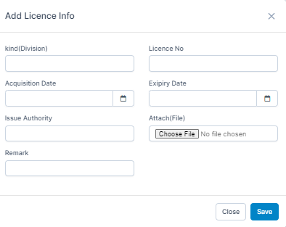
License
kind (Division)
Acquisition Date
Issue Authority
Remark
License No.
Expiry Date
Attach File

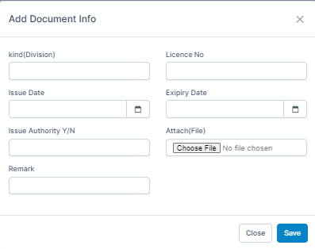
Document
kind (Division)
Acquisition Date
Issue Authority
Remark
License No.
Expiry Date
Attach File

Promotion
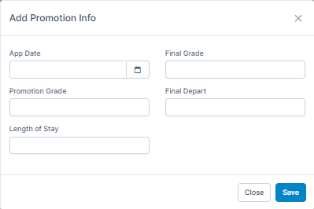
Promotion
App Date
Promotion Grade
Length of Stay
Final Grade
Final Depart

On Board
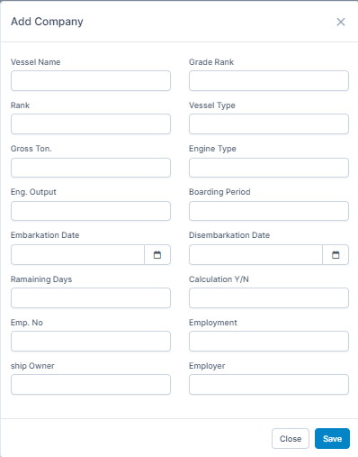
Company
Vessel Name
Rank
Gross Ton.
Eng. Output
Embarkation Date
Remaining Days
Emp. No
Ship Owner
Grade Rank
Vessel Type
Engine Type
Boarding Period
Disembarkation Date
Calculation Y/N
Employment
Employer

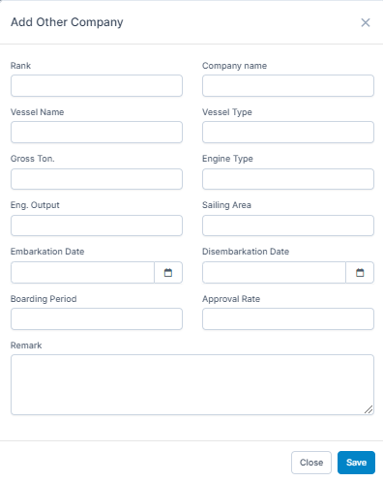
Other Company
Rank
Vessel Name
Gross Ton.
Eng. Output
Embarkation Date
Boarding Period
Company Name
Vessel Type
Engine Type
Sailing Area
Disembarkation Date
Approval Rate
Remark

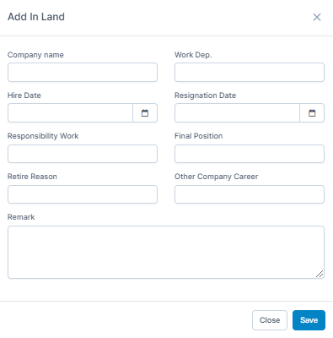
In Land
Company Name
Hire Date
Responsibility Work
Retire Reason
Work Dept.
Resignation Date
Final Position
Other Company Career
Remark

PSC
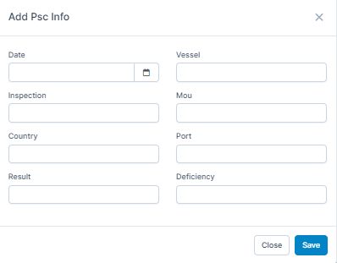
PSC
Date
Inspection
Country
Result
Vessel
Mou
Port
Deficiency

